1. Title Page
[instacart Indepth Analysis
]

Project Name: instacart Indepth Analysis
Date: Feb 5th, 2022
Analyst Name: William Mc Weeney

Contents:
Population Flow
Consistency checks
Wrangling steps
Column derivations
Visualizations
Recommendations

2. Population Flow
Title page

Population flow

Exclusion flag
Condition: max_order <
Obervations to be removed:
Final total count of order_products_all:

Orders_products_combined
Orders_products_merged
Orders_products_all

Total: 32,433,030
Total: 32,434,489
Total: 32,404,859

1.) The grey boxes in the first row of the population flow represent the original data sets as they were when you downloaded them. In the Total fields you need to add the count of the rows when you imported the data set into Jupyter.
2.) The second row of boxes (coloured) represents the data sets after you manipulated them, e.g., removed missing values and duplicates. In the Total fields you need to add the count of the rows after conducting these operations. This offers a visual oveview of how the data flows throughout the data consistency checks.
3.) The third row, where also the arrows are coloured, represents the merges you performed between the datasets. In the Total fields you need to add the count of the rows in the merged datasets, so that you end up with the final dataset (in the red box). Keep in mind the final dataset should be without exclusions (based on the exclusion flag).

3. Consistency checks
 |  |  |  | Title page
Consistency checks

Dataset | Missing values | Missing values treatment | Duplicates
orders | 206,209 entries had Nan in the 'days_since_prior_order' column. These were the first orders from each of our 206,209 customers. | Created a flag to show that it was the first order. | None.
products | 16 rows had NaN in product name. | Removed rows with missing product names | Removed 5 rows that were full duplicates.
orders_products_prior | None. | No treatment. | None.
customers | None - 'First Name' column had been dropped. | No treatment. | None.

4. Wrangling steps
 |  |  |  |  |  | Title page
Wrangling steps

Dataset | Columns dropped | Columns renamed | Columns' type changed | Datatype changed to | Comment/Reason
customers.csv | First Name |  |  |  | Data is PII, but also not needed for our analysis.
customers.csv | Surnam |  |  |  | Data is PII, but also not needed for our analysis.
orders.csv | eval_set |  |  |  | Not needed for our analysis.
orders_products_combined.pkl | Unnamed: 0 |  |  |  | Superfluous index column created from CSV file
orders_products_combined.pkl | Unnamed: 0.1 |  |  |  | Superfluous index column created from CSV file
orders_products_combined.pkl | _merge |  |  |  | Superfluous column created during merging
products_checked.csv | Unnamed: 0 |  |  |  | Superfluous index column created from CSV file
4-8.pkl | add_to_cart_order |  |  |  | Not needed for our analysis.
orders.csv |  | order_dow -> orders_day_of_week |  |  | orders_day_of_week was more readable.
customers.csv |  | Gender -> gender |  |  | Consistency - columns names are all lowercase.
customers.csv |  | STATE -> state |  |  | Consistency - columns names are all lowercase.
customers.csv |  | Age -> age |  |  | Consistency - columns names are all lowercase.
customers.csv |  | n_dependants -> children |  |  | Easier to remember.
customers.csv |  | fam_status -> f_status |  |  | Shorter, as it is still memorable.
orders_with_first_order_flag.csv |  |  | order_id | str | Converted to make merging faster on my computer.
order_products__prior.csv |  |  | order_id | str | Converted to make merging faster on my computer.
4-8.pkl |  |  | user_id | str | Converted to make merging faster on my computer.
4-8.pkl |  |  | order_number | int8 | Converted to make merging faster on my computer.
4-8.pkl |  |  | orders_day_of_week | int8 | Converted to make merging faster on my computer.
4-8.pkl |  |  | order_hour_of_day | int8 | Converted to make merging faster on my computer.
4-8.pkl |  |  | product_id | int32 | Converted to make merging faster on my computer.
4-8.pkl |  |  | reordered | int8 | Converted to make merging faster on my computer.
4-8.pkl |  |  | aisle_id | int8 | Converted to make merging faster on my computer.
4-8.pkl |  |  | department_id | int8 | Converted to make merging faster on my computer.
4-8.pkl |  |  | max_order | int8 | Converted to make merging faster on my computer.
4-8.pkl |  |  | days_since_prior_order | float16 | Converted to make merging faster on my computer.
4-8.pkl |  |  | prices | float16 | Converted to make merging faster on my computer.
4-8.pkl |  |  | spend_group | float16 | Converted to make merging faster on my computer.
4-8.pkl |  |  | days_since_last_order_median | float16 | Converted to make merging faster on my computer.
customers.csv |  |  | user_id | str | Converted to make merging faster on my computer.
customers.csv |  |  | children | int8 | Converted to make merging faster on my computer.
customers.csv |  |  | age | int8 | Converted to make merging faster on my computer.
customers.csv |  |  | income | int32 | Converted to make merging faster on my computer.

5. Column derivations
 |  |  |  | Title page

Column derivations and aggregations

In this tab you should add tables below that the frequences of flags/label variables that you produced after deriving them. NB: don't do this for continuous variables, only for flags.
Dataset | New column | Column/s it was derived from | Conditions
orders_wrangled.csv | first_order | days_since_prior_order | Nan = 'First Order' \ ELSE = 'Repeat Customer'
orders_products_merged.pkl | price_range_loc | prices | <= 5 then 'Low-Range Product' \ <= 15 AND > 5 then 'Mid-range product' \ > 15 AND < 26 then 'High-range product'
orders_products_merged.pkl | busiest_day | orders_day_of_week | After working out that Day 0 and 1 are the busiest, and Day 3 and 4 are the quietest: == 0 or 1 then 'Busiest days' \ == 3 or 4 then 'Slowest days' \ ELSE = 'Regularly busy'
orders_products_merged.pkl | busiest_period_of_day | order_hour_of_day | After working out that the top 7 hours (with the most orders) were 10am-16pm and the bottom 7 hours (with the least orders) were 12am(0)-6am: value >= 10 AND <= 16 then 'Most Orders' \ <= 6 then 'Fewest Orders' \ ELSE = 'Average Orders'
orders_products_merged.pkl | max_order | user_id & order_number | Calculates the total number of orders a user has made and puts the ammount in this column.
orders_products_hourly_daily.pkl | loyalty_flag | max_order | > 40 then 'Loyal Customer' \ <= 40 AND > 10 then 'Regular Customer' \ <= 10 then 'New Customer'
orders_products_hourly_daily.pkl | spend_group | user_id & prices | Calculates the mean of the products each user bought and puts the ammount in this column.
orders_products_hourly_daily.pkl | spend_flag | spend_group | >= 10 then 'High Spender' \ < 10 then 'Low Spender'
orders_products_hourly_daily.pkl | days_since_last_order_median | user_id & days_since_prior_order | Calculates the mean of the days since each user made an order and puts the ammount in this column.
orders_products_hourly_daily.pkl | order_frequency_flag | days_since_last_order_median | > 20 then 'Non-frequent customer' \ <= 20 AND > 10 then 'Regular customer' \ <= 10 then 'Frequent customer'
49_df_combined.pkl | region | state | Split up the states into 4 distinct regions, as defined by Wikipedia: Northeast, Midwest, West and South
49_df_combined.pkl | low_orders_flag | max_order | < 5 then 'low orders' \ >= 5 then 'good orders'
49_df_combined.pkl | age_group | age | Gave one of 4 labels, depending on the age in the 'age' column: 'up to 39', '40-59' and '60 or more' with an ELSE of 'age issue'
49_df_combined.pkl | income_group | income | Gave one of 12 labels, depending on the number in the 'income' column: '0-24k', '025-49k', '050-74k', '075-99k', '100-149k', '150-199k', '200-249k', '250-299k', '300-399k', '400-499k' and '500k+' with an ELSE of 'income issue'
49_df_combined.pkl | parent_status | children | .== 0 then 'non parent' \ >= 1 then 'parent'

6. Visualizations
 |  |  |  | Title page

Visualisations

In this tab you should include all the visualtions from Exercises 4.9 and 4.10, alongside the questions from the project brief that they answer. Include any commentary on the relationship between different variables.

To clarify, we have a total of 206,209 users, who have ordered 32,404,859 individual products.

The sales team needs to know what the busiest days of the week and hours of the day are (i.e., the days and times with the most orders) in order to schedule ads at times when there are fewer orders.

What are the busiest days of the week?

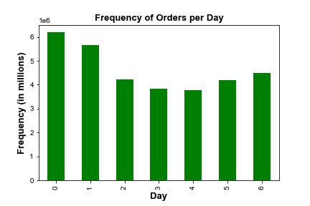

 |  |  | Legend
 |  |  | 0 = Saturday
 |  |  | 1 = Sunday
 |  |  | 2 = Monday
 |  |  | 3 = Tuesday
 |  |  | 4 = Wednesday
 |  |  | 5 = Thursday
 |  |  | 6 = Friday

This shows that Saturday and Sunday are our busiest days, while Tuesday and Wednesday are our least busy days.

What are the busiest hours of the day?



This shows that 10am-4pm are our busiest hours, while 0-6am are our least busy hours.

The sales team needs to know what type of income our customers have, depending on their age.

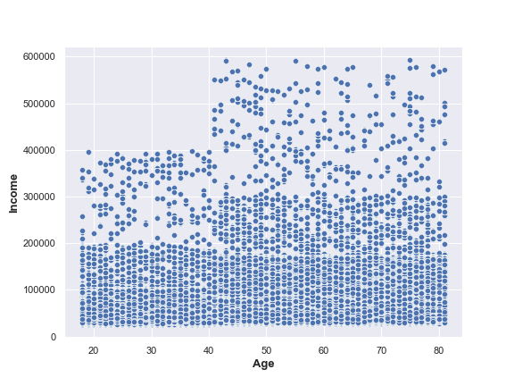

The scatterplot shows that our customers in the under 20's to 40 age bracket tend to earn up to 200k, with a few outliers earning up to 400k.
If they are over 40 then they tend to range up to 300k, with outliers reaching as high as 600k per year.

The marketing and sales teams are particularly interested in the different types of customers in their system and how their ordering behaviours differ.

 |  | LOYALITY / PRODUCTS ORDERED
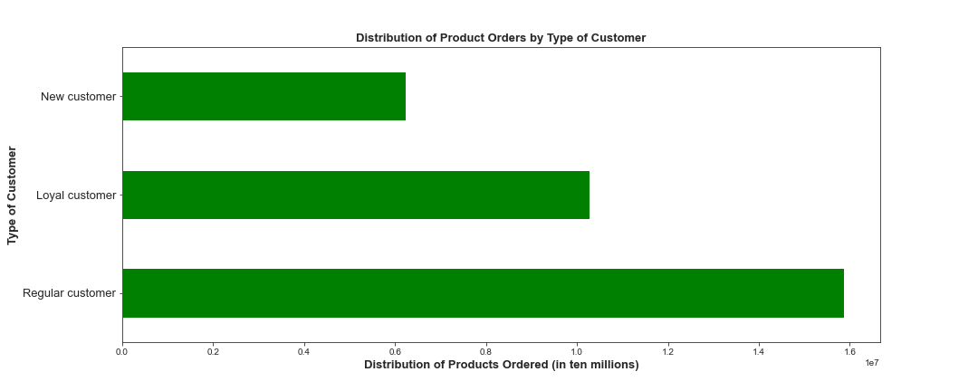

The distribution of products ordered shows that most products have been ordered by 'Regular customer's (between 10 and 40 orders). Our 'Loyal customer's (40+ orders) are in the middle of the 3 groups, in terms of amount of products ordered, while 'New customer's (less than 10 orders) have the least amount of products ordered.

 |  | CUSTOMERS IN EACH LOYALITY GROUP - PERCENTAGES

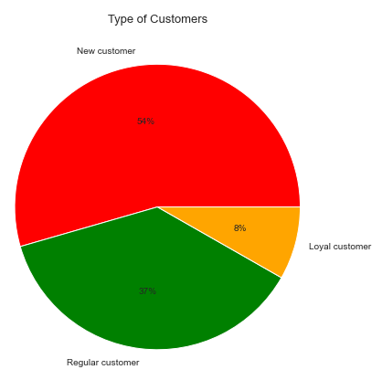

But as we can see, 'regular customers' only account for 37% of our current users. This is due to 54% of our users, active or not, having ordered less than 10 times.
Also, looking at the two charts above you will see that, despite 'Loyal Customers' only composing 8% of our user database, they have ordered just under 1/3 of the products.

 |  | USERS/INCOME GROUPS

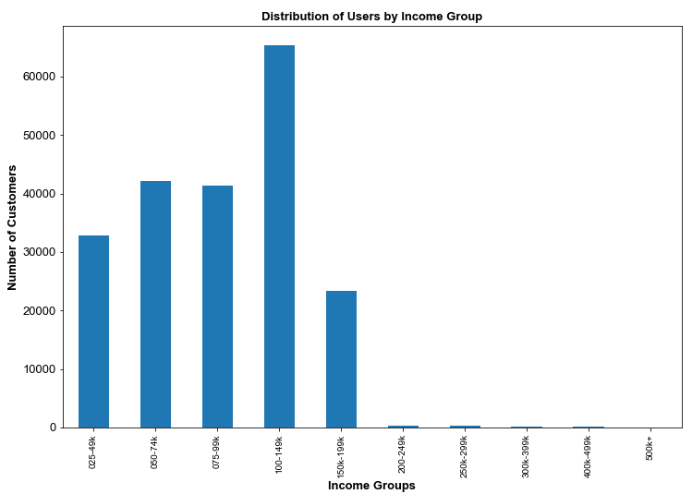

As you can see from the bar chart above, the main income group our users are in is the 100-149k group, with 50-74k and 75-99 coming in 2nd and 3rd. This could make a super-group from 50k-149k, for specific targetting.

 |  | USERS/INCOME GROUPS - PERCENTAGES

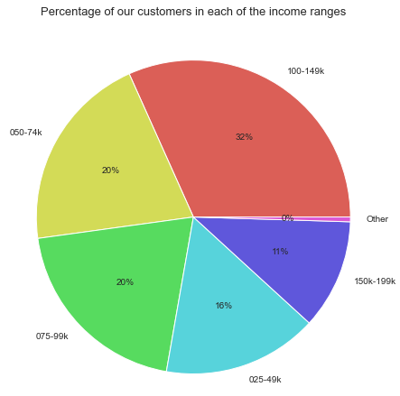

After grouping users who earn less than 25k, and those who earn above 200k - who only make up less than 1% all together - we can see the percentages of each income group.

 |  | USERS/PARENTS OR NON-PARENTS - PERCENTAGES

As you can see from the pie chart above, 75% of our users are parents.

 |  | USERS/REGION - PERCENTAGES

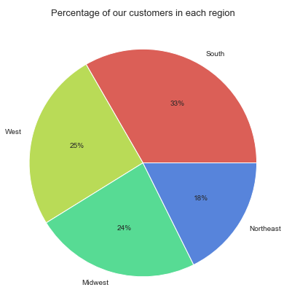

In the pie chart above you will notice that 33% of our customers are based in the 'South' region, while only 18% are based in the 'Northeast' region. However, it should be noted that there are more states in the 'South' region than the 'Northeast' region.

Compare your customer profiles with regions and departments. Can you identify a link between them? Customers may demonstrate different behaviors across regions, which could make this information important.

 |  | TOP 10 DEPARTMENTS/AMMOUNT OF PRODUCTS ORDERED

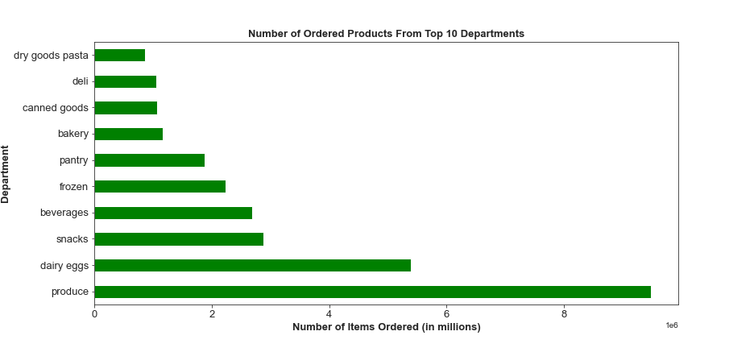

This bar chart shows us the Top 10 departments by ammount of products ordered, from all regions.

 | TOP 10 DEPARTMENTS/AMMOUNT OF PRODUCTS ORDERED - REGIONS


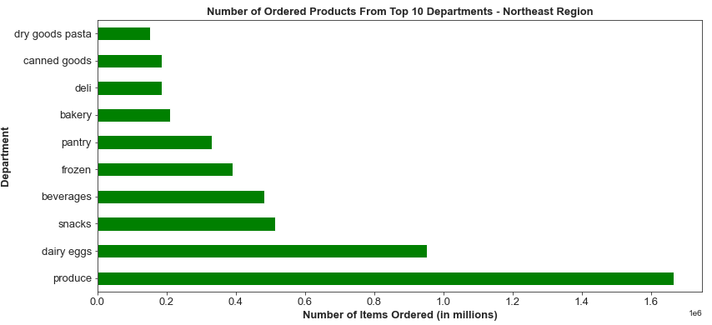

With more customers, comes more orders. So the South region is bound to have more products ordered.
However, these 2 charts also show that the Top 10 departments in each region remain the same, with only deli and canned goods changing places for 8th and 9th.

 | DEPARTMENTS/REGIONS

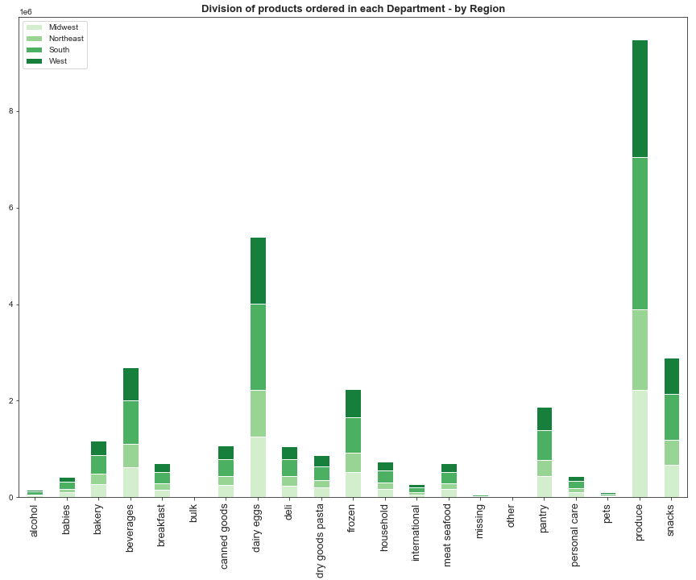

This is an overview of all 21 departments, with each region showing its share of the orders for that department. These all look the same, with small changes as seen in the previous examples.

 | AGE GROUPS/REGIONS

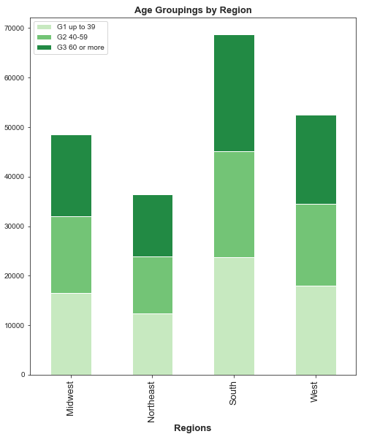

Again, the split over the 4 regions looks the same for our 3 age groupings.

 | INCOME GROUPS/AMMOUNT OF PRODUCTS ORDERED - PERCENTAGES

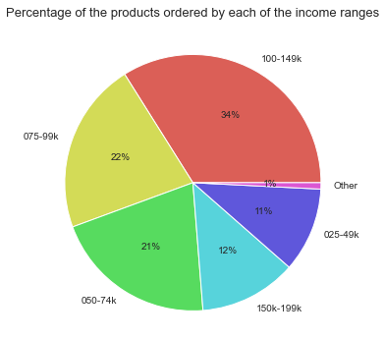

 | INCOME GROUPS/AMMOUNT OF PRODUCTS ORDERED - REGIONS

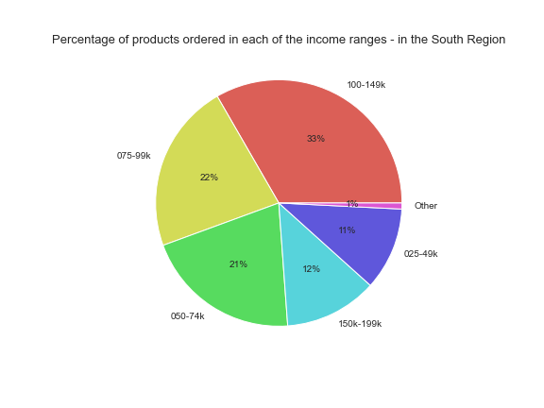



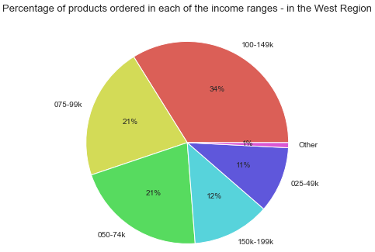

As you will see from the main pie chart above, and then the 4 pie charts relating to each of the regions, the percentage of users in each income grouping only changes by 2% max.

7. Recommendations
 |  |  |  |  |  | Title page

Recommendations

In this tab you should include any recommendations you would made to Instcart in terms of their marketing strategy based on the questions posed in the brief. Every key question has been covered in the Tasks of the Exercises - here you need to add an item - a visualisation or table/crosstable that is showing the answer in the data, acompanied by a comment from you. Please, list the questions below and add the answer underneath.

Q1:
The sales team needs to know what the busiest days of the week and hours of the day are (i.e., the days and times with the most orders) in order to schedule ads at times when there are fewer orders.

 |  |  | Legend
 |  |  | 0 = Saturday
 |  |  | 1 = Sunday
 |  |  | 2 = Monday
 |  |  | 3 = Tuesday
 |  |  | 4 = Wednesday
 |  |  | 5 = Thursday
 |  |  | 6 = Friday

These show that Saturday and Sunday are our busiest days, while Tuesday and Wednesday are our least busy days.
And these show that 10am-4pm are our busiest hours, while 0-6am are our least busy hours.

Recommendation: 0-6am is bound to be a quite period, as most people are sleeping. However the drop from 6pm onwards could be countered by ads, especially targetting Tuesday and Wednesday.

Q2:
They also want to know whether there are particular times of the day when people spend the most money, as this might inform the type of products they advertise at these times.
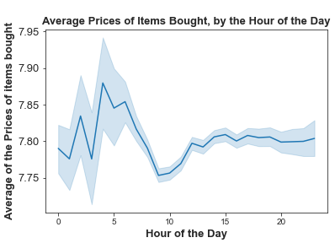

This chart shows that the average cost of the items bought, is highest between 3 and 5am, and drops to its lowest between 9am and 10am.
Remember, if there are less orders, but of the same types of products then the average will be higher, this is what is happening in the early morning.
However, this does not explain the difference between 10am and 4pm, which has approximately the same frequency of sales.

Recommendation: A more indepth analysis should be done to see what 'type' of products people are buying between 9 and 11am - is it just the 'basics' because they remember they need milk, or veg? - adverts and promotions could help encourage them to buy more expensive items during this time.

Q3:
Instacart has a lot of products with different price tags. Marketing and sales want to use simpler price range groupings to help direct their efforts.
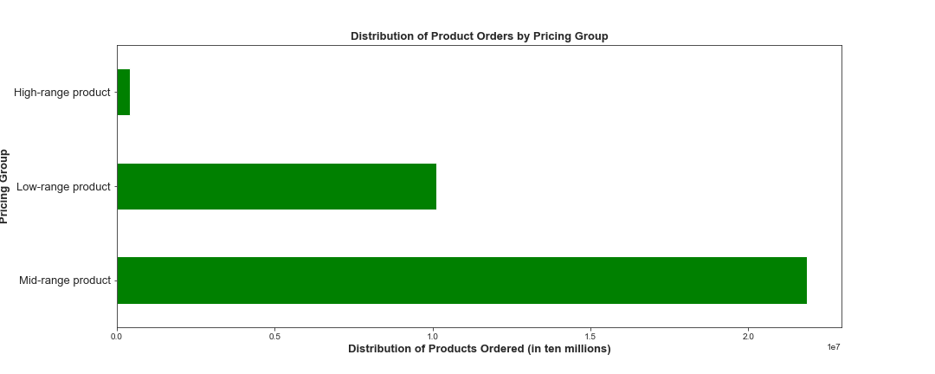
 |  |  |  |  |  |  | Ammount of products in each group
 |  |  |  |  |  |  | Mid-range product 32822
 |  |  |  |  |  |  | Low-range product 16290
 |  |  |  |  |  |  | High-range product 545

Mid-Range is anything priced between 5 and 15 dollars.

Recommendation: While the sales of Mid-Range products looks healthy, and the Low-Range products are likely to be the essentials, we can also see from the table to the left that we only have 545 items in the High-Range group. Increasing this number, should increase product orders in that group.

Q4:
Are there certain types of products that are more popular than others? The marketing and sales teams want to know which departments have the highest frequency of product orders.

These are our 10 most ordered departments. Our least popular 5 are 'bulk', 'other', 'missing', 'pets' & 'alcohol'.

Recommendation: While 'bulk', 'other' and 'missing' are a bit vague, you could tartget the pets and alcohol orders with promotions and ads.

Q5:
The marketing and sales teams are particularly interested in the different types of customers in their system and how their ordering behaviors differ. For example:
What’s the distribution among users in regards to their brand loyalty (i.e., how often do they return to Instacart)?

As we can see, 'regular customers' only account for 37% of our current users. This is due to 54% of our users, active or not, having ordered less than 10 times.

Recommendation: Further analysis should be done to clarify the percentage of those 'New Customers' that are active, and target them to keep them ordering.

Q6:
Are there differences in ordering habits based on a customer’s loyalty status?

Looking at the two charts above you will see that, despite 'Loyal Customers' only composing 8% of our user database, they have ordered just under 1/3 of the products.

Recommendation: Loyal customers are loyal for a reason, they like our service. Target them with promos to get their friends to sign up.

Q7:
Are there differences in ordering habits based on a customer’s region?
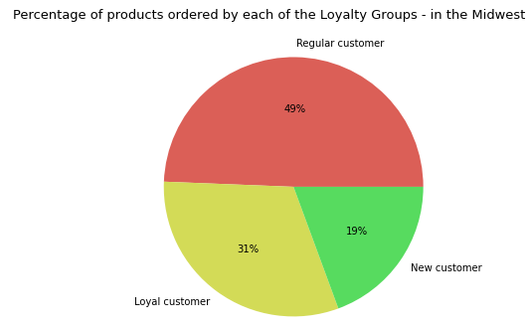





There is no discernable difference in the Loyalty of customers over the 4 regions.

Q8:
Is there a connection between age and family status in terms of ordering habits?

Family Status | Mean Price of items bought | Mean ammount of orders made |  | Age Group | Mean Price of items bought |  |  | Mean ammount of orders made
divorced/widowed | 7.80078 | 15.55975 |  | Up to 39 | 7.78516 |  |  | 15.56490
living with parents and siblings | 7.80078 | 15.73415 |  | 40-59 | 7.79297 |  |  | 15.63541
married | 7.78906 | 15.57526 |  | 60 or more | 7.79688 |  |  | 15.57431
single | 7.78516 | 15.62900

Again, no discernable difference in the spending habits, depending on Age or Family Status

